Sheet1
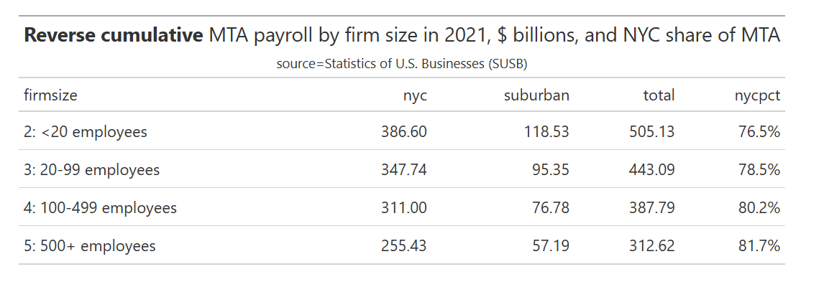
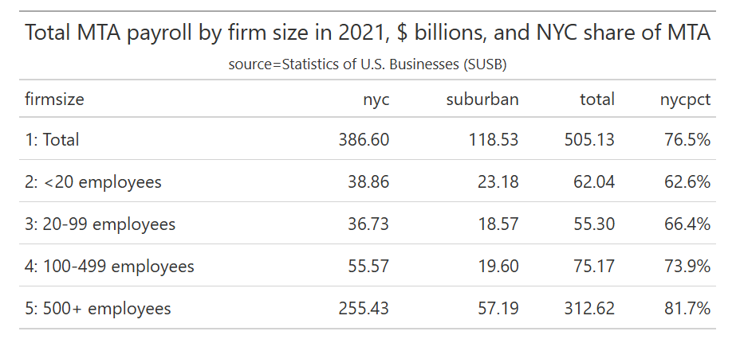
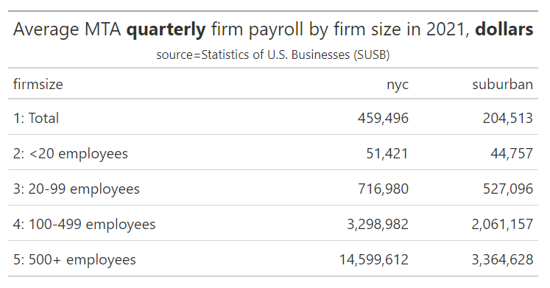
add 1bp to large-employer wage tax, plus comparable increase in self-employment tax

 | Kevin |  |  | Boyd
Quick & dirty approach | assume | $ millions |  | assume | $ millions
"current" value of July 2023 NYC large-firm 26 bp increase (including self-employment increase) | not sure what year | 1,050.0 |  | 2024 | 1,141.0
+ growth
2025 value of the July 2023 tax increase (estimate) |  | 1,200.0 |  |  | 1,175.3 | num bp
NYC impact, per bp | 26 | 46.2 |  | 26 | 45.2 | 23 | 1,040 | $500m increase
MTA total, given assumption of NYC as % of MTA | 85.0% | 54.3 |  | 80.0% | 56.5 | 23 | 1,300
Suburban (MTA total - NYC) |  | 8.1 |  |  | 11.3 | 23 | 260 | 587.63204694
 |  |  |  |  |  |  |  | 82.49
 |  |  |  |  |  |  |  | 670.13
New tax: |  |  |  |  | Boyd -- see my forecast table below from Nov 2024 memo |  |  | 620.48754244
CY 2022 receipts |  |  |  |  | 1,796.9 |  |  | 577.48754244
CY 2024 receipts (est) |  |  |  |  | 3,056.0
change |  |  |  |  | 1,259.1

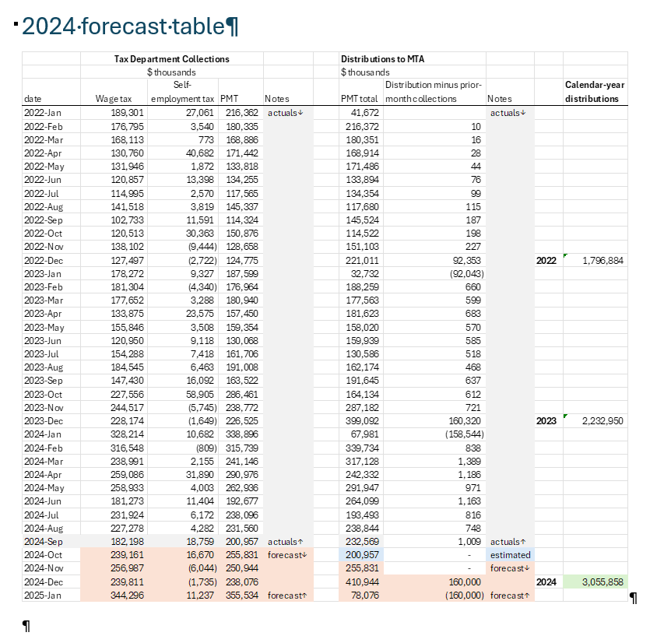
Wage growth, 2022 to 2024 |  |  |  |  | mta | nyc | suburban
2023 (actual) |  |  |  |  | 3.9% | 4.7% | 1.4%
2024 (est) |  |  |  |  | 2.6% | 3% | 1.4%
2024 receipts without tax increase |  |  |  |  | 1,915.0

portion of actual change from 2022 to 2024 due to tax increase |  |  |  |  | 1,141.0
projected wage growth 2025 |  |  |  |  | 3.0%
projected nyc impact of the 26bp tax increase, 2025 level |  |  |  |  | 1,175.3
1 bp |  |  | 26

